Launch Data
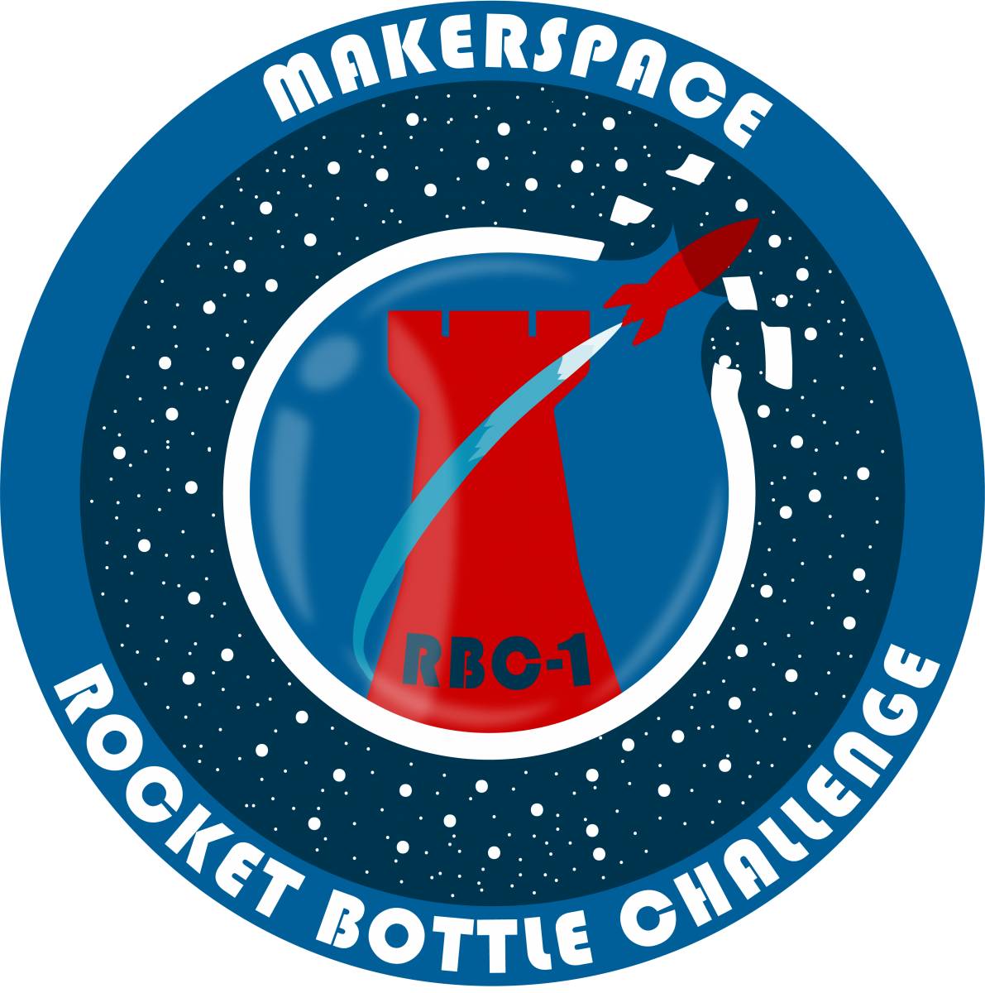
 |  |  |  |  |  |  |  |  |  |  | Version: | 001 | Parameter Descriptions
 |  |  |  |  |  |  |  |  |  |  | Date: | 8/1/2021 | Launch Angle: | The angle relative to parallel that the rocket is launched from. Measured in degrees and fixed at 45 degrees.
 |  | NJIT Makerspace Rocket Bottle Challenge 1 - 2021 |  |  |  |  |  |  |  |  | Author: | Daniel Brateris | Bottle Pressure: | The air pressure inside the bottle when the rocket is launched. Measured in PSI and fixed at 45 PSI.
 |  | Experimental Data Log |  |  |  |  |  |  |  |  |  |  | Fin Design: | The name of the fin design that the rocket is launched with. If using predesigned fins examples are: Nose Cone A, Nose Cone B, etc.…
 |  | Team Name: <Add You Name Here> |  |  |  |  |  |  |  |  |  |  | Fin Nozzle Distance: | The distance from the bottom of the fin to the plane of the nozzle. Values for fins stopping in front of the nozzle are positive and values for fins that extend behind the nozzle are negative.
 |  |  |  |  |  |  |  |  |  |  |  |  | Fin Aspect Dimensions: | The length and width of the fin. Length is measured from the top most point to the bottom most point of the fin. Width is measured from the rocket body to the furthest point away from the rocket.
 |  |  |  |  |  |  |  |  |  |  |  |  | Nose Cone Design: | The name of the nose design that the rocket is launched with. If using a predesigned nose cone, examples are: Nose Cone A, Nose Cone B, etc.…
Experiment Number |  |  | Fixed Parameters |  | Experimental Parameters |  |  |  |  |  |  | Results | Weight of Nose Cone Assembly: | The total weight of the nose cone part, plus any added mass, in grams.
Launch Number | Launch Date | Launch Time | Launch Angle (Fixed) [degrees] | Bottle Pressure (Fixed) [PSI] | Water Volume [ml] | Number of Fins [integer] | Fin Design [text] | Fin Nozzle Distance [inches] | Fin Aspect Dimensions (Length:Width) [inches] | Nose Cone Design [text] | Weight of Nose Cone Assembly [grams] | Flight Distance [feet]
1 |  |  | 45 | 45 |  |  |  |  |  |  |  |  | Suggested Experimental Procedure
2 |  |  | 45 | 45 |  |  |  |  |  |  |  |  | Use single variable optimization and testing to isolate the effect of changing a particular parameter on the performance of the rocket.
3 |  |  | 45 | 45 |  |  |  |  |  |  |  |  | We suggest using the method below to optimize performance.
4 |  |  | 45 | 45
5 |  |  | 45 | 45 |  |  |  |  |  |  |  |  | Overall Procedure
6 |  |  | 45 | 45 |  |  |  |  |  |  |  |  | Have fun and keep your team's launch data confidential!
7 |  |  | 45 | 45 |  |  |  |  |  |  |  |  | 1. Build a basic rocket
8 |  |  | 45 | 45 |  |  |  |  |  |  |  |  | 2. Select a single experimental parameter to optimize (In this step, you are trying to determine initial optimized values for parameters)
9 |  |  | 45 | 45 |  |  |  |  |  |  |  |  | 3. Vary the parameter
10 |  |  | 45 | 45 |  |  |  |  |  |  |  |  | 3a. Select an initial value for the parameter
11 |  |  | 45 | 45 |  |  |  |  |  |  |  |  | 3b. Launch the rocket and record the flight distance
12 |  |  | 45 | 45 |  |  |  |  |  |  |  |  | 3c. Change the value of the parameter
13 |  |  | 45 | 45 |  |  |  |  |  |  |  |  | 3d. Repeat steps 3b and 3c several times for this parameter
14 |  |  | 45 | 45 |  |  |  |  |  |  |  |  | 3e. Plot the recorded data and add a best fit line to the graph
15 |  |  | 45 | 45 |  |  |  |  |  |  |  |  | 3f. Use the best fit line to approximate the optimal value for this parameter. This value is your initial optimized value for the parameter.
16 |  |  | 45 | 45 |  |  |  |  |  |  |  |  | 4. Repeat steps 2 and 3 with a new parameter
17 |  |  | 45 | 45 |  |  |  |  |  |  |  |  | 5. Once you have optimized several parameters, assemble and launch a rocket using the optimized values for the parameters you tested. This launch should perform very well.
18 |  |  | 45 | 45 |  |  |  |  |  |  |  |  | 6. Repeat steps 2 and 3, changing only 1 parameter at a time and keeping the other parameters at their initial optimized values.
19 |  |  | 45 | 45 |  |  |  |  |  |  |  |  | 6a. In this step, you are trying to fine tune each parameter so that the rocket performs best in its current configuration.
20 |  |  | 45 | 45 |  |  |  |  |  |  |  |  | 6b. Once you finish optimizing a parameter, move on to the next parameter and launch the rocket with the new optimized values for other parameters.
21 |  |  | 45 | 45 |  |  |  |  |  |  |  |  | 7. Repeat the optimization processes until any change yields results that consistently underperform the optimized values.
22 |  |  | 45 | 45
23 |  |  | 45 | 45
24 |  |  | 45 | 45
25 |  |  | 45 | 45
26 |  |  | 45 | 45
27 |  |  | 45 | 45
28 |  |  | 45 | 45
29 |  |  | 45 | 45
30 |  |  | 45 | 45
31 |  |  | 45 | 45
32 |  |  | 45 | 45
33 |  |  | 45 | 45
34 |  |  | 45 | 45
35 |  |  | 45 | 45
36 |  |  | 45 | 45
37 |  |  | 45 | 45
38 |  |  | 45 | 45
39 |  |  | 45 | 45
40 |  |  | 45 | 45
41 |  |  | 45 | 45
42 |  |  | 45 | 45
43 |  |  | 45 | 45
44 |  |  | 45 | 45
45 |  |  | 45 | 45
46 |  |  | 45 | 45
47 |  |  | 45 | 45
48 |  |  | 45 | 45
49 |  |  | 45 | 45
50 |  |  | 45 | 45

